FOB CH
Apparel Inventory

Pick & Choose

All new first quality.

Restrictions: None

Quantity: 525,246 units

Price: As Shown, per unit ExWarehouse IL

Subject to change and prior sale.

Michael
508-446-5017

Style | Description | Image | Color | XXS | XS | S | M | L | XL | 2XL | 3XL | 4XL | 5XL | 6XL | One Sz | LT | XLT | 2XLT | 3XLT | 4XLT | 5XLT | 2T | 4T | 5/6 | Total | Link | Price

DG150W | Devon and Jones Women's DRYTEC20™ Performance Polo - DG150W |  | Crystal Blue |  | 256 | 702 | 767 | 657 | 648 | 550 | 210 |  |  |  |  |  |  |  |  |  |  |  |  |  | 3,790 | SSactivewear $44.50 | $5.15
DG150W |  |  | Lime |  | 263 | 382 | 643 | 617 | 650 | 611 | 241 |  |  |  |  |  |  |  |  |  |  |  |  |  | 3,407 |  | $5.15
DG150W |  |  | Deep Purple |  | 239 | 674 | 653 | 478 | 385 | 363 | 124 |  |  |  |  |  |  |  |  |  |  |  |  |  | 2,916 |  | $5.15
DG150W |  |  | Burgundy |  | 252 | 520 | 383 | 128 | 257 | 442 | 179 |  |  |  |  |  |  |  |  |  |  |  |  |  | 2,161 |  | $5.15
DG150W |  |  | Rust |  | 15 | 444 | 597 | 513 | 296 | 165 | 6 |  |  |  |  |  |  |  |  |  |  |  |  |  | 2,036 |  | $5.15
DG100 | Devon and Jones Men's New Classics® Performance Polo - DG100 |  | Navy |  |  | 329 | 975 | 1,807 | 712 | 548 | 448 | 245 |  |  |  |  |  |  |  |  |  |  |  |  | 5,064 | SSactivewear $35.00 | $6.15
DG100 |  |  | Black |  |  | 333 | 1,329 | 1,862 | 623 | 193 | 190 | 159 |  |  |  |  |  |  |  |  |  |  |  |  | 4,689 |  | $6.15
DG100 |  |  | Graphite |  |  | 192 | 678 | 809 | 385 | 31 | 160 | 162 |  |  |  |  |  |  |  |  |  |  |  |  | 2,417 |  | $6.15
DG100 |  |  | White |  |  |  | 145 | 427 | 719 | 533 | 359 | 206 |  |  |  |  |  |  |  |  |  |  |  |  | 2,389 |  | $6.15
DP611W | Devon and Jones Women's Perfect Fit™ Three-Quarter Sleeve Crepe Tunic - DP611W | 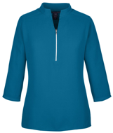 | Black |  | 385 | 1,397 | 1,834 | 1,557 | 1,264 | 803 | 272 |  |  |  |  |  |  |  |  |  |  |  |  |  | 7,512 | Ssactivewear $40.00 | $4.45
DP611W |  |  | Dark Teal |  | 196 | 705 | 952 | 793 | 747 | 456 | 135 |  |  |  |  |  |  |  |  |  |  |  |  |  | 3,984 |  | $4.45
DP611W |  |  | Navy |  | 36 | 361 | 457 | 365 | 775 | 167 | 33 |  |  |  |  |  |  |  |  |  |  |  |  |  | 2,194 |  | $4.45
DP612W |  |  | Black |  | 301 | 1,415 | 1,676 | 1,714 | 1,450 | 818 | 275 |  |  |  |  |  |  |  |  |  |  |  |  |  | 7,649 |  | $4.35
DP612W |  |  | Dark Teal |  | 103 | 567 | 618 | 671 | 446 | 168 | 17 |  |  |  |  |  |  |  |  |  |  |  |  |  | 2,590 |  | $4.35
DP612W |  |  | Navy |  | 79 | 417 | 451 | 563 | 379 | 256 |  |  |  |  |  |  |  |  |  |  |  |  |  |  | 2,145 |  | $4.35
DG21 | Devon and Jones Men's CrownLux Performance® Range Flex Polo - DG21 | 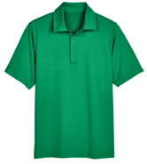 | Kelly Green |  |  | 114 | 495 | 838 | 828 | 369 | 41 | 17 |  |  |  |  |  |  |  |  |  |  |  |  | 2,702 | Ssactivewear $40.00 | $7.00
DG21 |  |  | Navy |  |  | 313 | 719 | 628 | 270 | 181 | 69 | 44 |  |  |  |  |  |  |  |  |  |  |  |  | 2,224 |  | $7.00
D420 | Devon and Jones Unisex Sueded Jersey Mock Neck T-Shirt - D420 | 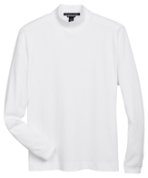 | White |  | 39 | 171 | 390 | 575 | 461 | 2,811 | 91 | 64 |  |  |  |  |  |  |  |  |  |  |  |  | 4,602 | Ssactivewear $36.00 | $5.05
DG400 | Devon and Jones Men's New Classics® Performance Quarter-Zip Pullover - DG400 | 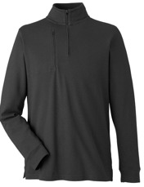 | Navy |  |  | 252 | 414 | 972 | 830 | 388 | 132 | 51 |  |  |  |  |  |  |  |  |  |  |  |  | 3,039 | Ssactivewear $56.00 | $7.25
DG400 |  |  | Black |  |  | 200 | 336 | 786 | 712 | 316 | 94 | 27 |  |  |  |  |  |  |  |  |  |  |  |  | 2,471 |  | $7.25
DG20LT | Devon and Jones Men's Tall CrownLux Performance® Plaited Long Sleeve Polo - DG20LT | 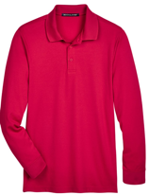 | Red |  |  |  |  |  |  |  |  |  |  |  |  | 781 | 1,048 | 1,038 | 515 |  |  |  |  |  | 3,382 | Ssactivewear $37.50 | $5.35
D110 | Devon and Jones Men's Pima Piqué Long Sleeve Polo - D110 | 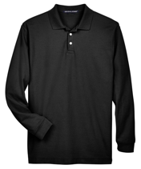 | Black |  |  |  |  |  |  | 462 | 856 | 894 |  |  |  |  |  |  |  |  |  |  |  |  | 2,212 | Ssactivewear $48.00 | $6.55
DG796W | Devon and Jones Women's Newbury Colorblock Mélange Fleece Full-Zip Jacket - DG796W | 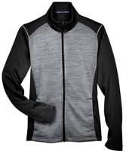 | Black Heather/ Dark Grey Heather |  | 48 | 282 | 600 | 573 | 399 | 194 | 106 |  |  |  |  |  |  |  |  |  |  |  |  |  | 2,202 | Ssactivewear $58.00 | $5.85
DG798 | Devon and Jones Men's Newbury Mélange Fleece Quarter-Zip Pullover - DG798 | 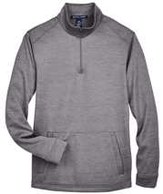 | Dark Grey Heather |  |  | 180 | 384 | 580 | 491 | 255 | 119 | 25 |  |  |  |  |  |  |  |  |  |  |  |  | 2,034 | Ssactivewear $54.00 | $6.05
NE100W | North End Women's JAQ Snap-Up Stretch Performance Polo - NE100W | 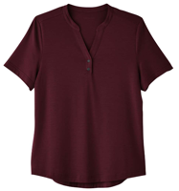 | Black |  | 102 | 396 | 865 | 577 | 528 | 423 | 154 |  |  |  |  |  |  |  |  |  |  |  |  |  | 3,045 | Ssactivewear $30.00 | $4.15
NE100W |  |  | Carbon |  | 116 | 355 | 568 | 649 | 538 | 325 | 120 |  |  |  |  |  |  |  |  |  |  |  |  |  | 2,671 |  | $4.15
NE100W |  |  | Burgundy |  | 115 | 331 | 547 | 541 | 422 | 248 | 85 |  |  |  |  |  |  |  |  |  |  |  |  |  | 2,289 |  | $4.15
NE100W |  |  | Opal Blue |  | 110 | 298 | 513 | 472 | 425 | 210 | 68 |  |  |  |  |  |  |  |  |  |  |  |  |  | 2,096 |  | $4.15
NE112 | North End Men's Express Tech Performance Polo - NE112 | 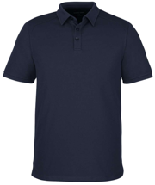 | Black |  |  | 92 | 657 | 1,281 | 1,362 | 826 | 378 | 156 | 63 |  |  |  |  |  |  |  |  |  |  |  | 4,815 | SSactivewear $35.00 | $5.45
NE112 |  |  | Carbon |  |  | 92 | 447 | 803 | 820 | 523 | 252 | 96 | 57 |  |  |  |  |  |  |  |  |  |  |  | 3,090 |  | $5.45
NE112 |  |  | Classic Navy |  |  | 96 | 382 | 764 | 839 | 478 | 240 | 120 | 81 |  |  |  |  |  |  |  |  |  |  |  | 3,000 |  | $5.45
NE100 | North End Men's JAQ Snap-Up Stretch Performance Polo - NE100 | 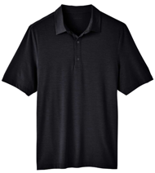 | Black |  |  | 200 | 600 | 964 | 872 | 535 | 168 | 59 | 42 |  |  |  |  |  |  |  |  |  |  |  | 3,440 | Ssactivewear $30.00 | $4.35
NE110 | North End Men's Revive Coolcore® Polo - NE110 | 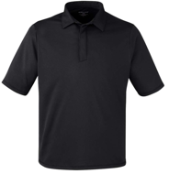 | Black |  |  | 300 | 967 | 1,750 | 1,480 | 972 | 374 | 135 | 40 |  |  |  |  |  |  |  |  |  |  |  | 6,018 | Ssactivewear $32.00 | $4.75
NE110 |  |  | Classic Navy |  |  | 157 | 430 | 848 | 790 | 486 | 222 | 84 | 35 |  |  |  |  |  |  |  |  |  |  |  | 3,052 |  | $4.75
88187 | North End Men's Radar Performance Quarter-Zip Pullover - 88187 | 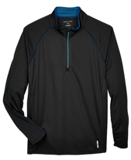 | Black/ True Royal |  |  | 2,436 | 659 | 987 | 797 | 488 | 227 | 106 | 73 |  |  |  |  |  |  |  |  |  |  |  | 5,773 | Ssactivewear $42.00 | $6.00
88187 |  |  | Classic Navy |  |  | 626 | 521 | 665 | 682 | 442 | 216 | 141 | 97 |  |  |  |  |  |  |  |  |  |  |  | 3,390 |  | $6.00
78187 | North End Women's Radar Performance Quarter-Zip Pullover - 78187 |  | Classic Navy |  | 214 | 822 | 1,148 | 1,502 | 1,467 | 1,146 | 175 |  |  |  |  |  |  |  |  |  |  |  |  |  | 6,474 | Ssactivewear $42.00 | $5.25
88632 | North End Men's Recycled Polyester Performance Pique Polo - 88632 | 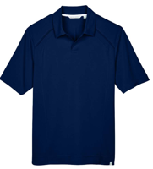 | Light Nautical Blue |  |  | 322 | 741 | 1,059 | 505 | 104 | 9 | 73 | 61 |  |  |  |  |  |  |  |  |  |  |  | 2,874 | Ssactivewear $43.00 | $5.25
88632 |  |  | Night |  |  | 164 | 676 | 871 | 688 | 115 | 94 | 15 | 21 |  |  |  |  |  |  |  |  |  |  |  | 2,644 |  | $5.25
88632 |  |  | Black |  |  | 53 | 926 | 997 | 325 | 91 |  | 32 | 33 |  |  |  |  |  |  |  |  |  |  |  | 2,457 |  | $5.25
NE102W | North End Women's Replay Recycled Polo - NE102W | 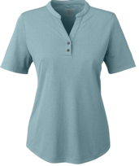 | Black |  | 92 | 243 | 528 | 461 | 377 | 348 | 62 |  |  |  |  |  |  |  |  |  |  |  |  |  | 2,111 | Ssactivewear $30.00 | $4.35
NE102W |  |  | Opal Blue |  | 46 | 275 | 548 | 421 | 255 | 237 | 259 |  |  |  |  |  |  |  |  |  |  |  |  |  | 2,041 |  | $4.35
NE713 | North End Men's Aura Sweater Fleece Quarter-Zip Pullover - NE713 | 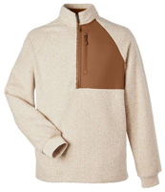 | Oatmeal Heather/ Teak |  |  | 143 | 812 | 1,613 | 1,425 | 606 | 311 | 131 |  |  |  |  |  |  |  |  |  |  |  |  | 5,041 | Ssactivewear $80.00 | $8.15
NE110W | North End Women's Revive Coolcore® Polo - NE110W | 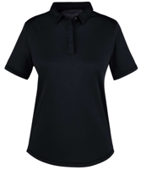 | Black |  | 72 | 383 | 535 | 599 | 474 | 286 | 144 |  |  |  |  |  |  |  |  |  |  |  |  |  | 2,493 | Ssactivewear $32.00 | $4.75
NE712 | North End Men's Flux 2.0 Full-Zip Jacket - NE712 | 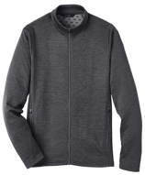 | Black Heather/ Carbon |  |  | 0 | 0 | 1,032 | 1,596 | 0 |  | 275 | 239 |  |  |  |  |  |  |  |  |  |  |  | 3,142 | Ssactivewear $68.00 | $7.05
NE412 | North End Men's Express Tech Performance Pique Quarter-Zip Pullover - NE412 | 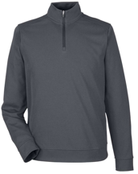 | Carbon |  |  | 98 | 534 | 662 | 681 | 341 | 163 | 96 | 22 |  |  |  |  |  |  |  |  |  |  |  | 2,597 | Ssactivewear $48.00 | $5.35
NE412 |  |  | Black |  |  | 63 | 354 | 542 | 614 | 261 | 71 | 107 |  |  |  |  |  |  |  |  |  |  |  |  | 2,012 |  | $5.35
88697 | North End Men's Flux Mélange Bonded Fleece Jacket - 88697 | 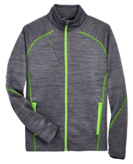 | Carbon/ Acid Green |  |  | 966 | 781 | 1,134 | 912 | 416 | 181 | 185 | 68 |  |  |  |  |  |  |  |  |  |  |  | 4,643 | Ssactivewear $88.00 | $7.15
78697 | North End Women's Flux Mélange Bonded Fleece Jacket - 78697 | 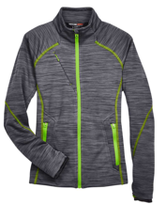 | Carbon/ Acid Green |  | 309 | 934 | 849 | 785 | 649 | 877 | 80 |  |  |  |  |  |  |  |  |  |  |  |  |  | 4,483 | Ssactivewear $88.00 | $6.25
78178 | North End Women's Caprice 3-in-1 Jacket with Soft Shell Liner - 78178 | 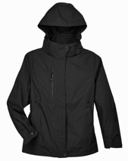 | Black |  |  | 340 | 373 | 464 | 716 | 230 | 56 |  |  |  |  |  |  |  |  |  |  |  |  |  | 2,179 | Ssactivewear $250.00 | $12.15
M105W | Harriton Women's Maverick CVC Pique Polo - M105W | 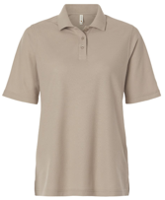 | Dark Navy |  | 56 | 426 | 690 | 654 | 592 | 348 | 134 | 70 |  |  |  |  |  |  |  |  |  |  |  |  | 2,970 | Ssactivewear $13.00 | $3.95
M105W |  |  | Black |  | 73 | 293 | 648 | 734 | 540 | 350 | 146 | 82 |  |  |  |  |  |  |  |  |  |  |  |  | 2,866 |  | $3.95
M105W |  |  | White |  | 95 | 336 | 649 | 673 | 597 | 325 | 68 | 54 |  |  |  |  |  |  |  |  |  |  |  |  | 2,797 |  | $3.95
M105W |  |  | Khaki |  |  | 362 | 787 | 693 | 548 | 240 | 89 |  |  |  |  |  |  |  |  |  |  |  |  |  | 2,719 |  | $3.95
M105W |  |  | Dark Charcoal |  | 95 | 228 | 545 | 508 | 353 | 194 | 65 | 36 |  |  |  |  |  |  |  |  |  |  |  |  | 2,024 |  | $3.95
M990Y | Harriton Youth Full-Zip Fleece - M990Y | 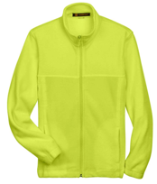 | Navy |  |  | 1,288 | 1,436 | 1,195 | 767 |  |  |  |  |  |  |  |  |  |  |  |  |  |  |  | 4,686 | Ssactivewear $30.00 | $4.35
M990Y |  |  | Safety Yellow |  |  | 529 | 580 | 580 | 436 |  |  |  |  |  |  |  |  |  |  |  |  |  |  |  | 2,125 |  | $4.35
M990Y |  |  | Dill |  |  | 454 | 550 | 574 | 430 |  |  |  |  |  |  |  |  |  |  |  |  |  |  |  | 2,008 |  | $4.35
M897 | Harriton Unisex Restore Scrub Top - M897 | 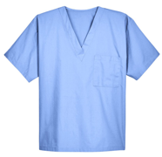 | True Royal | 169 | 190 | 710 | 1,100 | 713 | 181 | 413 | 131 | 36 | 33 |  |  |  |  |  |  |  |  |  |  |  | 3,676 | Ssactivewear $15.00 | $3.55
M897 |  |  | Dark Navy | 143 |  |  | 978 | 211 | 300 | 639 | 466 | 264 | 251 |  |  |  |  |  |  |  |  |  |  |  | 3,252 |  | $3.55
M897 |  |  | Ciel Blue | 132 | 384 | 113 | 136 | 857 | 526 | 746 | 72 | 64 | 60 |  |  |  |  |  |  |  |  |  |  |  | 3,090 |  | $3.55
M897 |  |  | Dark Charcoal | 116 | 15 | 139 | 281 | 734 | 546 | 567 | 153 | 49 | 33 |  |  |  |  |  |  |  |  |  |  |  | 2,633 |  | $3.55
M200 | Harriton Men's Pique Polo - M200 | 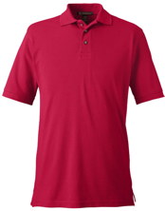 | Charcoal |  | 261 | 119 | 631 | 342 | 807 | 883 | 402 | 224 | 254 | 213 |  |  |  |  |  |  |  |  |  |  | 4,136 | Ssactivewear $23.00 | $4.25
M200 |  |  | Red |  | 253 | 248 | 217 | 337 | 225 | 383 | 43 | 145 | 245 | 297 |  |  |  |  |  |  |  |  |  |  | 2,393 |  | $4.25
M898 | Harriton Unisex Restore Scrub Pants - M898 |  | Black | 103 | 188 | 507 | 905 | 1,068 | 891 | 309 | 49 | 21 | 12 |  |  |  |  |  |  |  |  |  |  |  | 4,053 | Ssactivewear $15.00 | $3.65
M898 |  |  | True Royal | 169 | 202 | 448 | 636 | 580 | 553 | 120 | 67 | 118 | 69 |  |  |  |  |  |  |  |  |  |  |  | 2,962 |  | $3.65
M898 |  |  | Dark Navy | 72 | 140 | 134 | 317 |  | 137 | 736 | 487 | 292 | 264 |  |  |  |  |  |  |  |  |  |  |  | 2,579 |  | $3.65
M560W | Harriton Women's Barbados Textured Camp Shirt - M560W | 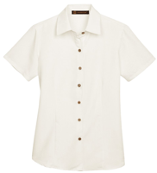 | Cream |  | 23 | 210 | 373 | 711 | 812 | 639 | 59 |  |  |  |  |  |  |  |  |  |  |  |  |  | 2,827 | Ssactivewear $37.00 | $4.85
M265 | Harriton Men's 5 oz. Easy Blend Polo - SUNRAY YELLOW M265 | 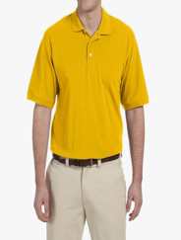 | Sunray Yellow |  |  | 935 | 1,617 | 1,680 | 1,138 | 780 | 284 |  |  |  |  |  |  |  |  |  |  |  |  |  | 6,434 | Amazon $18.50 | $4.45
M990W | Harriton Womens Full-Zip Fleece (M990W) -TRUE ROYAL | 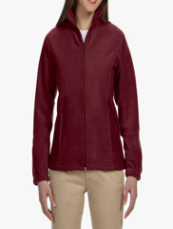 | True Royal |  | 35 | 380 | 740 | 597 | 415 | 209 | 189 |  |  |  |  |  |  |  |  |  |  |  |  |  | 2,565 | Amazon $16.97 5.0 rating; 1 review | $3.95
M510T | Harriton M510T Men's Tall Essential Poplin-White | 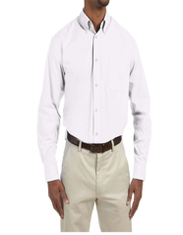 | White |  |  |  |  |  |  |  |  |  |  |  |  |  | 1,407 | 568 | 712 |  |  |  |  |  | 2,687 | Walmart $12.80 5.0 ratings; 3 reviews | $4.55
M600 | Harriton M600 Mens L-Sleeve Oxford Light Blue | 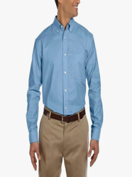 | Light Blue |  |  | 323 | 542 | 802 | 512 | 106 | 46 |  | 7 | 6 |  |  |  |  |  |  |  |  |  |  | 2,344 | Amazon $15.92 | $4.65
T3000 | Threadfast Apparel T3000 Epic Long Sleeve T-Shirt-Black | 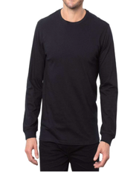 | Black |  | 147 |  |  |  | 316 | 851 | 1,611 | 1,006 | 955 |  |  |  |  |  |  |  |  |  |  |  | 4,886 | Walmart $10.76 | $4.20
T3000 | Threadfast Apparel T3000 Epic Long Sleeve T-Shirt-Graphite | 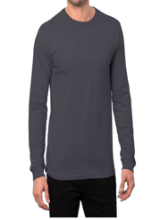 | Graphite |  | 365 | 213 | 531 | 961 | 741 | 793 | 352 | 506 |  |  |  |  |  |  |  |  |  |  |  |  | 4,462 | Walmart $10.46 | $4.20
T3000 | Threadfast Apparel T3000 Epic Long Sleeve T-Shirt-White | 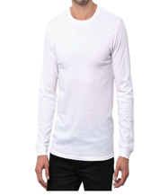 | White |  |  |  | 0 | 865 | 1,056 | 850 | 320 | 466 | 285 |  |  |  |  |  |  |  |  |  |  |  | 3,842 | Walmart $10.46 | $4.20
102A | Threadfast Apparel 102A Unisex Triblend Tee Green Triblend | 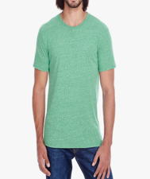 | Green Triblend |  | 155 |  | 2,403 | 2,437 | 741 | 935 | 5 |  |  |  |  |  |  |  |  |  |  |  |  |  | 6,676 | Amazon $8.88 | $3.55
102A | Threadfast Apparel 102A Unisex Triblend Short-Sleeve T-Shirt, Black Triblend | 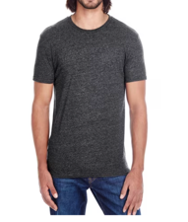 | Black Triblend |  | 175 | 3,152 |  |  |  |  |  |  |  |  |  |  |  |  |  |  |  |  |  |  | 3,327 | Walmart $23.25 (2-pack) | $3.55
102A | Threadfast Apparel 102A Unisex Triblend Short-Sleeve T-Shirt, Grey Triblend | 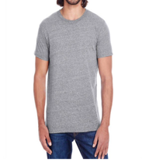 | Grey Triblend |  | 558 | 2,099 | 30 |  |  | 367 | 92 |  |  |  |  |  |  |  |  |  |  |  |  |  | 3,146 | Walmart $23.25 (2-pack) | $3.55
102A | Threadfast Apparel 102A Unisex Triblend Short-Sleeve T-Shirt, Cream Triblend | 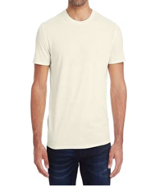 | Cream Triblend |  | 191 |  |  |  |  | 1,625 | 474 |  |  |  |  |  |  |  |  |  |  |  |  |  | 2,290 | Walmart $23.25 (2-pack) | $3.55
T3001 | Threadfast Apparel T3001 Epic CVC Long Sleeve T-Shirt-Solid Black | 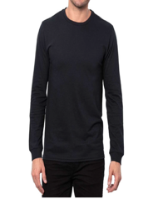 | Solid Black |  | 67 |  |  | 971 | 1,985 | 2,148 |  | 259 | 100 |  |  |  |  |  |  |  |  |  |  |  | 5,530 | Walmart $11.45 | $4.20
T3001 | Threadfast Apparel T3001 Epic CVC Long Sleeve T-Shirt-Solid White | 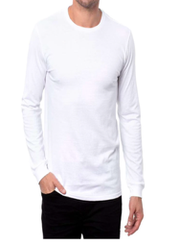 | Solid White |  | 45 | 184 | 309 | 604 | 384 | 371 | 177 | 117 | 58 |  |  |  |  |  |  |  |  |  |  |  | 2,249 | Walmart $10.46 | $4.20
320H | Threadfast Apparel 320H Unisex Ultimate Fleece Pullover Hooded Sweatshirt, Black | 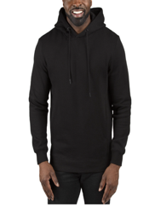 | Black |  | 565 | 3,416 | 167 |  |  | 587 | 372 |  |  |  |  |  |  |  |  |  |  |  |  |  | 5,107 | Walmart $50.03 | $5.15
320H | Threadfast Apparel 320H Unisex Ultimate Fleece Pullover Hooded Sweatshirt, Charcoal Heather | 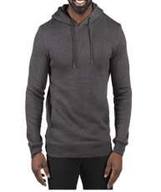 | Charcoal Heather |  | 220 | 1,084 | 662 | 41 |  | 457 | 451 |  |  |  |  |  |  |  |  |  |  |  |  |  | 2,915 | Walmart $50.03 | $5.15
180LS | Threadfast Apparel 180LS Unisex Ultimate Long-Sleeve T-Shirt, Heather Grey | 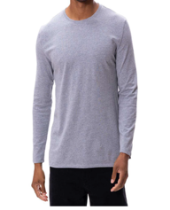 | Heather Grey |  | 169 | 1,048 | 275 | 841 | 1,033 | 123 | 45 | 11 |  |  |  |  |  |  |  |  |  |  |  |  | 3,545 | Walmart $10.81 | $4.05
180LS | Threadfast Apparel 180LS Unisex Ultimate Long-Sleeve T-Shirt, White | 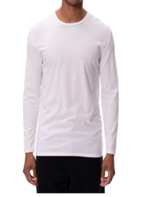 | White |  | 92 | 313 | 445 | 523 | 450 | 375 | 115 | 44 |  |  |  |  |  |  |  |  |  |  |  |  | 2,357 | Walmart $10.81 | $4.05
200RV | Threadfast Apparel 200RV Ladies Ultimate V-Neck T-Shirt, White | 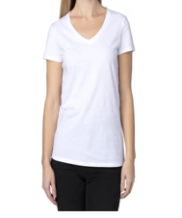 | White |  |  | 559 | 1,498 |  | 23 |  |  |  |  |  |  |  |  |  |  |  |  |  |  |  | 2,080 | Walmart $8.19 | $3.55
100A | Threadfast Apparel Unisex Ultimate T-Shirt - CHARCOAL HEATHER | 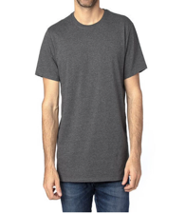 | Charcoal Heather |  | 347 | 503 | 1,733 | 985 |  |  |  |  |  |  |  |  |  |  |  |  |  |  |  |  | 3,568 | Walmart $9.27 | $3.55
382LS | Threadfast Apparel 382LS Unisex Impact Long-Sleeve T-Shirt, Black Heather | 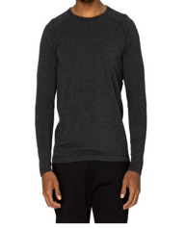 | Black Heather |  | 32 | 228 | 731 | 1,074 | 562 | 191 | 39 |  |  |  |  |  |  |  |  |  |  |  |  |  | 2,857 | Walmart $13.03 | $4.55
382LS | Threadfast Apparel 382LS Unisex Impact Long-Sleeve T-Shirt, Black | 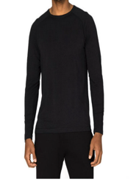 | Black |  |  | 177 | 628 | 1,248 | 478 | 130 | 66 |  |  |  |  |  |  |  |  |  |  |  |  |  | 2,727 | Walmart $13.03 | $4.55
397J | Threadfast 397J - Black Vegan Lthr - Unisex Vegan Leather Puffer Jacket | 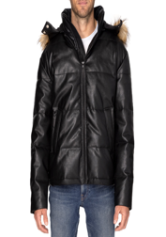 | Black Vegan Leather |  | 135 | 395 | 635 | 732 | 531 | 233 | 82 |  |  |  |  |  |  |  |  |  |  |  |  |  | 2,743 | Wordans $49.92 | $13.25
215B | Threadfast Apparel Cross Dye Short-Sleeve V-Neck T-Shirt, Flame | 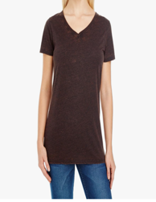 | Flame |  |  | 441 | 400 | 546 | 381 | 280 |  |  |  |  |  |  |  |  |  |  |  |  |  |  | 2,048 | Amazon $8.80 | $3.85
EC3000 | Econscious Women's White Organic Cotton Classic Short-Sleeve T-Shirt |  | White |  |  | 2,019 | 2,874 | 2,549 | 82 | 122 |  |  |  |  |  |  |  |  |  |  |  |  |  |  | 7,646 | Merchology $16.79 | $4.05
TT21 | Team 365 TT21 Men's Command Snag Protection Polo - Sport Scarlet Red |  | Sport Scarlet Red |  | 107 | 207 | 390 | 478 | 297 | 1,742 | 68 | 6 |  |  |  |  |  |  |  |  |  |  |  |  | 3,295 | Veetrends 15.00 $31.50 | $4.25
TT21C | Team 365 TT21C Men's Command Snag-Protection Colorblock Polo-White/ Sport Silver |  | White/ Sport Silver |  | 33 | 206 | 446 | 809 | 740 | 315 | 167 | 48 |  |  |  |  |  |  |  |  |  |  |  |  | 2,764 | Walmart $14.36 | $4.75
TT21CW | Team 365 TT21CW Women's Command Snag-Protection Colorblock Polo-White/ |  | White/ Sport Silver |  | 131 | 406 | 606 | 543 | 523 | 208 | 151 |  |  |  |  |  |  |  |  |  |  |  |  |  | 2,568 | Walmart $14.05 | $4.75
PRM30SBC | Independent Trading Co. Unisex Special Blend Raglan Sweatshirt PRM30SBC Nickel Heather/ Forest Camo XS |  | Nickel Heather/ Forest Camo |  |  | 738 | 1,097 | 797 | 324 | 71 | 24 |  |  |  |  |  |  |  |  |  |  |  |  |  | 3,051 | Walmart $32.48 | $6.05
IND5000C | Independent Trading Co. - Legend - Premium Heavyweight Cross-Grain Crewneck Sweatshirt - IND5000C - White |  | White |  | 144 | 435 | 471 | 519 | 500 | 212 | 36 |  |  |  |  |  |  |  |  |  |  |  |  |  | 2,317 | Amazon $36.69 | $7.05
PRM33SBP | Independent Trading Co. PRM33SBP Special Blend Raglan Hooded Sweatshirt, Red Buffalo Plaid |  | Red Buffalo Plaid |  |  | 986 | 1,257 | 585 |  |  |  |  |  |  |  |  |  |  |  |  |  |  |  |  | 2,828 | Green House Outfitters $41.50 | $7.05
EXP64CRP | Independent Trading Co. - Women's Lightweight Quarter-Zip Pullover Crop Windbreaker - EXP64CRP, Black Camo |  | Black Camo |  | 14 | 1,179 | 1,059 |  | 126 |  |  |  |  |  |  |  |  |  |  |  |  |  |  |  | 2,378 | Amazon $24.29 4.4 ratings; 84 reviews | $6.45
PRM10TSB | Independent Trading Co. Toddler Special Blend Raglan Hooded Sweatshirt PRM10TSB Nickel Heather/ Forest Camo 5/6 |  | Nickel Heather/ Forest Camo |  |  |  |  |  |  |  |  |  |  |  |  |  |  |  |  |  |  | 820 | 758 | 941 | 2,519 | Walmart $17.70 5.0 ratings; 2 reviews | $4.45
CE401 | CORE365 CE401 Men's Kinetic Performance Quarter-Zip Pullover-True Royal/ Carbon |  | True Royal/ Carbon |  |  | 125 | 946 | 1,546 | 1,361 | 679 | 183 | 369 | 429 |  |  |  |  |  |  |  |  |  |  |  | 5,638 | Walmart $15.27 | $4.95
CE112 | CORE365 CE112 Men's Fusion ChromaSoft™ Pique Polo-Coyote Brown |  | Coyote Brown |  |  | 159 | 742 | 2,249 | 1,529 | 1,063 | 574 | 463 |  |  |  |  |  |  |  |  |  |  |  |  | 6,779 | Walmart $13.20 | $4.15
78183 | CORE365 78183 Women's Techno Lite Motivate Unlined Lightweight Jacket-Campus Gold |  | Campus Gold |  | 28 | 466 | 722 | 669 | 212 | 81 | 390 |  |  |  |  |  |  |  |  |  |  |  |  |  | 2,568 | Walmart $13.98 3.9 ratings; 20 reviews | $4.15
88193T | Core 365 Operate Men's Twill Shirt, Style 88193T - Black |  | Black |  |  |  |  |  |  |  |  |  |  |  |  | 138 | 206 | 691 | 678 | 740 | 699 |  |  |  | 3,152 | Walmart $32.41 | $4.85
CE890W | CORE365 CE890W Women's Journey Summit Hybrid Full-Zip-Heather Charcoal/ Black |  | Heather Charcoal/ Black |  | 3 | 495 | 544 | 1,091 | 510 | 401 | 399 |  |  |  |  |  |  |  |  |  |  |  |  |  | 3,443 | Walmart $18.75 | $6.00
CE710 | CORE365 CE710 Unisex Techno Lite Colorblock Windbreaker-Classic Navy Heather/ Carbon |  | Classic Navy Heather/ Carbon |  | 641 | 598 | 570 | 170 |  | 19 | 135 | 306 | 512 |  |  |  |  |  |  |  |  |  |  |  | 2,951 | Walmart $18.14 | $4.95
88194T | CORE365 88194T Men's Tall Optimum Short Sleeve Twill Dress Shirt-Black |  | Black |  |  |  |  |  |  |  |  |  |  |  |  | 44 | 153 | 455 | 550 | 678 | 591 |  |  |  | 2,471 | Walmart $14.74 | $4.65
88224 | CORE365 88224 Men's Profile Fleece-Lined All-Season Jacket-Classic Red |  | Classic Red |  |  | 283 |  | 1,156 | 1,013 |  |  | 3 |  |  |  |  |  |  |  |  |  |  |  |  | 2,455 | Walmart $28.51 4.6 ratings; 5 reviews | $6.35
21MLR | Jerzees Jz 21Mlr 5.3Oz 100% Poly Ls T, White |  | White |  |  | 233 | 599 | 899 | 676 | 311 | 213 |  |  |  |  |  |  |  |  |  |  |  |  |  | 2,931 | Walmart $13.01 | $4.35
996YR | Jerzees |  | White |  |  | 597 | 1,156 | 1,582 | 502 |  |  |  |  |  |  |  |  |  |  |  |  |  |  |  | 3,837 |  | $4.75
8618W | UltraClub 8618W Ladies Cool & Dry Heathered Performance Quarter-Zip - Columbia Blue Heather |  | Columbia Blue Heather |  |  |  | 1,273 | 1,361 | 514 | 528 | 320 |  |  |  |  |  |  |  |  |  |  |  |  |  | 3,996 | Walmart $13.73 4.5 ratings; 2 reviews | $4.65
8618W | UltraClub 8618W Ladies Cool & Dry Heathered Performance Quarter-Zip - Royal Heather |  | Royal Heather |  |  | 1,244 | 1,057 |  |  | 707 | 322 |  |  |  |  |  |  |  |  |  |  |  |  |  | 3,330 | Walmart $14.74 4.5 ratings; 2 reviews | $4.65
8618W | UltraClub 8618W Ladies Cool & Dry Heathered Performance Quarter-Zip - Charcoal Heather |  | Charcoal Heather |  |  | 815 | 980 | 961 |  |  |  |  |  |  |  |  |  |  |  |  |  |  |  |  | 2,756 | Walmart $14.73 4.5 ratings 2 reviews | $4.65
8618W | UltraClub 8618W Ladies Cool & Dry Heathered Performance Quarter-Zip - Black Heather |  | Black Heather |  |  | 735 | 1,003 | 743 |  |  |  |  |  |  |  |  |  |  |  |  |  |  |  |  | 2,481 | Walmart $13.73 4.5 ratings; 2 reviews | $4.65
UC500 | UltraClub UC500 - Men's Bradley Performance Woven Shirt - Navy |  | Navy |  |  |  | 782 | 1,351 | 1,180 | 660 | 321 |  |  |  |  |  |  |  |  |  |  |  |  |  | 4,294 | Needen $11.41 | $5.25
UC500 | UltraClub UC500 - Men's Bradley Performance Woven Shirt - Silver |  | Silver |  |  |  | 386 | 716 | 589 | 464 |  |  |  |  |  |  |  |  |  |  |  |  |  |  | 2,155 | Silver $11.41 | $5.25
8618 | UltraClub 8618 - Columbia Blue Heather - Men's Cool & Dry Heathered Performance Quarter-Zip |  | Columbia Blue Heather |  |  |  |  | 1,354 | 2,139 |  |  | 258 |  |  |  |  |  |  |  |  |  |  |  |  | 3,751 | Wordans $14.13 | $4.85
8618 | UltraClub 8618 - Royal Heather - Men's Cool & Dry Heathered Performance Quarter-Zip |  | Royal Heather |  |  | 1,246 | 570 |  | 561 | 880 |  | 225 |  |  |  |  |  |  |  |  |  |  |  |  | 3,482 | Wordans $14.13 | $4.85
IND20SRT | Independent Trading Co. Men's White Midweight Fleece Short |  | White |  | 693 | 3,139 | 5,296 | 5,241 | 3,821 | 1,761 |  |  |  |  |  |  |  |  |  |  |  |  |  |  | 19,951 |  | $4.95
IND20SRT | Independent Trading Co. Men's Forest Camo Midweight Fleece Short |  | Forest Camo |  | 476 | 2,741 | 4,674 | 3,662 | 2,031 | 687 |  |  |  |  |  |  |  |  |  |  |  |  |  |  | 14,271 | Merchology $23.23 | $4.95
IND20SRT | Independent Trading Co. Men's Red Midweight Fleece Short |  | Red |  | 288 | 1,402 | 2,594 | 2,377 | 1,416 | 437 |  |  |  |  |  |  |  |  |  |  |  |  |  |  | 8,514 | Walmart $23.23 4.8 ratings; 4 reviews | $4.95
PRM50PTTD | Independent Trading Co. - Tie-Dyed Fleece Pants - PRM50PTTD - Tie Dye Black |  | Tie Dye Black |  | 384 | 2,040 | 2,565 | 2,231 | 984 | 240 |  |  |  |  |  |  |  |  |  |  |  |  |  |  | 8,444 | Walmart $26.92 | $6.55
PRM50PTTD | Independent Trading Co. - Tie-Dyed Fleece Pants - PRM50PTTD - Tie Dye Navy |  | Tie Dye Navy |  |  | 887 | 1,198 | 983 |  |  |  |  |  |  |  |  |  |  |  |  |  |  |  |  | 3,068 | Walmart $35.80 | $6.55
PRM50PTTD | Independent Trading Co. Tie-Dyed Fleece Pants - Tie Dye Sunset Swirl |  | Tie Dye Sunset Swirl |  |  | 600 | 815 | 768 |  |  |  |  |  |  |  |  |  |  |  |  |  |  |  |  | 2,183 | Walmart $29.41 | $6.55
PRM50PTTD | Independent Trading Co. Tie-Dyed Fleece Pants - Tie Dye Cotton Candy |  | Tie Dye Cotton Candy |  |  | 576 | 935 | 816 |  |  |  |  |  |  |  |  |  |  |  |  |  |  |  |  | 2,327 | Walmart $27.72 | $6.55
PRM50STPD | Independent Trading Co. - Pigment-Dyed Fleece Shorts - PRM50STPD - Pigment Black |  | Pigment Black |  | 185 | 1,941 | 1,409 | 1,773 | 551 |  |  |  |  |  |  |  |  |  |  |  |  |  |  |  | 5,859 | Walmart $24.48 | $5.15
PRM50STPD | Unisex Pigment-Dyed Fleece Shorts PRM50STPD, Prepared For Dye |  | Prepared For Dye |  | 70 | 221 | 840 | 1,010 | 652 | 213 |  |  |  |  |  |  |  |  |  |  |  |  |  |  | 3,006 | FR Girls of Texas $30.52 | $5.15
PRM20PNT | Independent Trading Co. - Women's California Wave Wash Sweatpants - PRM20PNT, Forest Camo Heather |  | Forest Camo Heather |  | 405 | 1,453 | 1,963 | 1,882 | 1,508 | 863 |  |  |  |  |  |  |  |  |  |  |  |  |  |  | 8,074 | Walmart $25.32 4.4 ratings; 7 reviews | $6.15
PRM50STTD | Independent Trading Co. - Tie-Dyed Fleece Shorts - PRM50STTD - Tie Dye Black |  | Tie Dye Black |  |  |  | 1,234 | 1,657 | 1,068 |  |  |  |  |  |  |  |  |  |  |  |  |  |  |  | 3,959 | Walmart $21.59 4.5 ratings; 2 r eviews | $5.45
CE901 | CORE365 CE901 Journey Fleece Beanie-Classic Navy |  | Classic Navy |  |  |  |  |  |  |  |  |  |  |  | 3,421 |  |  |  |  |  |  |  |  |  | 3,421 | Walmart $9.48 | $1.55
BX001Y | Big Accessories BX001Y Youth Brushed Twill Unstructured Cap - PINK |  | Pink |  |  |  |  |  |  |  |  |  |  |  | 15,771 |  |  |  |  |  |  |  |  |  | 15,771 | Walmart $9.75 | $1.75
BA708 | Big Accessories BA708 Bend Foam Trucker Cap-Navy/ Black |  | Navy/ Black |  |  |  |  |  |  |  |  |  |  |  | 4,732 |  |  |  |  |  |  |  |  |  | 4,732 | Walmart $11.89 | $2.25
BA708 | Big Accessories BA708 Bend Foam Trucker Cap-Dark Grey/ Black |  | Dark Grey/ Black |  |  |  |  |  |  |  |  |  |  |  | 4,359 |  |  |  |  |  |  |  |  |  | 4,359 | Walmart $11.89 | $2.25
BA708 | Big Accessories BA708 Bend Foam Trucker Cap-Black/ Black |  | Black/ Black |  |  |  |  |  |  |  |  |  |  |  | 2,525 |  |  |  |  |  |  |  |  |  | 2,525 | Walmart $11.89 | $2.25
BA527 | BA527 Big Accessories Patch Beanie - Olive |  | Olive |  |  |  |  |  |  |  |  |  |  |  | 7,757 |  |  |  |  |  |  |  |  |  | 7,757 |  | $2.25
UB86UHS | Russell Accessories-Mad Engine |  | Black |  |  |  |  |  |  |  |  |  |  |  | 2,049 |  |  |  |  |  |  |  |  |  | 2,049 |  | $2.55
CE002 | Core 365 True Royal/Carbon Drive Performance Visor |  | True Royal/ Carbon |  |  |  |  |  |  |  |  |  |  |  | 3,548 |  |  |  |  |  |  |  |  |  | 3,548 | Merchology $11.54 | $1.75
CE002 | Core 365 Campus Purple/Carbon Drive Performance Visor |  | Campus Purple/ Carbon |  |  |  |  |  |  |  |  |  |  |  | 3,484 |  |  |  |  |  |  |  |  |  | 3,484 | Merchology $11.54 | $1.75
CE002 | Core 365 Charity Pink/Carbon Drive Performance Visor |  | Charity Pink/ Carbon |  |  |  |  |  |  |  |  |  |  |  | 2,213 |  |  |  |  |  |  |  |  |  | 2,213 | Merchology $11.54 | $1.75
CE002 | Core 365 Acid Green/Carbon Drive Performance Visor |  | Acid Green/ Carbon |  |  |  |  |  |  |  |  |  |  |  | 2,033 |  |  |  |  |  |  |  |  |  | 2,033 | Merchology $11.54 | $1.75
 |  |  |  |  |  |  |  |  |  |  |  |  |  |  |  |  |  |  |  |  |  |  |  |  | 525,246

